Ajustada
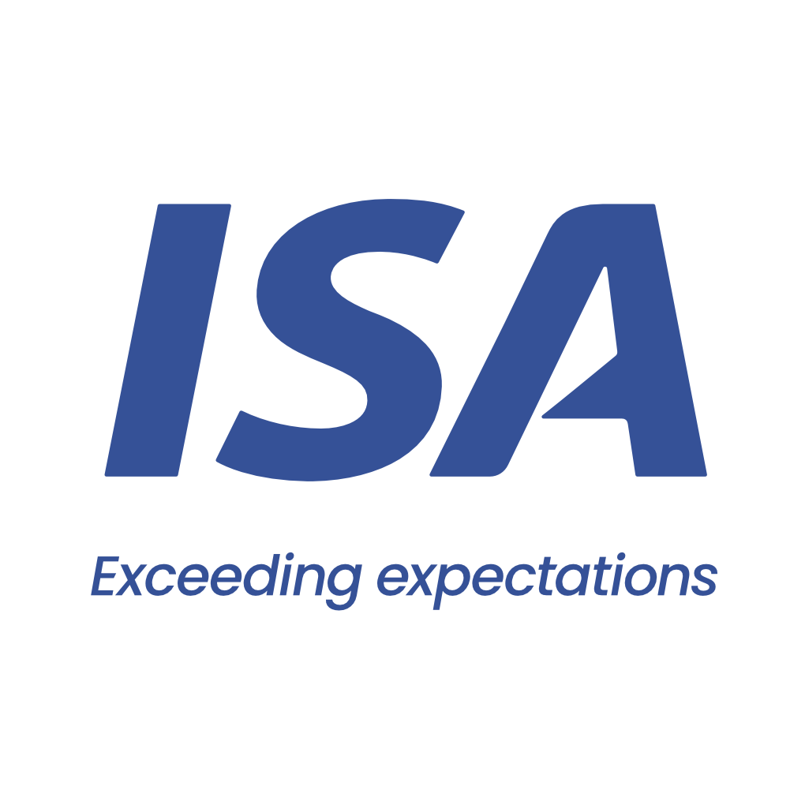

 |  | From 23-02-26 to 24-02-26
 | Initial | Close to Real
VESSEL | PISTI | PISTI
PORT | GRAL LAGOS | GRAL LAGOS
BERTH | ARROYO SECO - ADM | ARROYO SECO - ADM
PERMANENCY | 2 days | 2 days
CURRENCY | USD | USD
ITEM | AMOUNT | AMOUNT
Port dues | 14,201 | 20,090 | Comentarios:
Entrance and light dues | 1,359 | 1,902 | Inicial base a otras medidas
Toll dues | 90,432 | 115,544 | Plate sale con Virado de anclas y 6hs de demora
River plate pilotage | 39,328 | 41,257 | Paraná entra con Fondeo
River plate pilotage (delay) |  | 1,512 | Paraná sale con Fondeo en ZC por fuertes vientos y 2,5hs de demora
River plate pilotage anchorage maneuver |  | 2,199 | Port entra con Zarpada de rada
River parana pilotage | 39,865 | 42,194 | Completa en Bahia Blanca
River parana pilotage (delay) |  | 660
River parana pilotage anchorage maneuver |  | 4,608
Port pilotage | 9,190 | 13,140
Launch services for clearence at roads | 575 | 1,150
Mooring & unmooring services | 3,300 | 3,300
Custom house expenses | 200 | 530
Custom house Permanence |  | 200
Migration expenses | 1,875 | 1,875
Sanitary dues and free practique | 597 | 486
Garbage compulsory inspection | 96 | 93
Mandatory holds inspection at roads | 1,350 | 1,812
Headclerk compulsory services | 2,992 | 2,120
Launch services for draft survey (3) |  | 1,725
Draft survey |  | 1,340
Full on hire BQS |  | 960
Pest control |  | 650
Launch services for holds re-inspection (Owner expenses) |  | 1,150
Mandatory holds re-inspection at roads (Owner expenses) |  | 1,010
Holds cleaning expenses (Owner expenses) |  | 600
Wash water expenses (Owner expenses) |  | 200
Agency fee | 2,000 | 2,000

TOTAL | 207,360 | 264,307

Our bank account
CITIBANK NA, NY BRANCH 111 WALL STREET / NEW YORK, 10043
ABA: 21000089 / SWIFT: CITIUS33 / ACCOUNT NO:36404074
BENEFICIARY: Independent Ship Agents SA
In order to avoid double income taxation on gross freight, which is equivalent to aproximate 3.5 pct, you must provide us with a tax affidavit. Please let us know if you need assitance on this.

Please note that this is a pro-forma disbursement account only. It is intended to be an estimate of the actual disbursement account and is for guidance purposes only. Whilst does take every care to ensure that the figures and information contained in the pro-forma disbursement account are as accurate as possible, the actual disbursement account may, and often does, for various reasons beyond our control, vary from the pro-forma disbursement account. You are required and liable to pay upon demand, the full amount described and shown in the actual disbursement account. This duty exists regardless of any difference betweeen the figures in this pro-forma disbursement account and the actual disbursement account. For the avoidance of doubt, this pro-forma disbursement account is not a contractual document.

